Sheet1
ID | Summary | Priority | Preconditions | Input Data | Steps | Expected Result | Obtained Result | Error Type | Enviroment | ID Bug | Execution Time | ID Screenshoot
1 | go to another page to view more products | High | be on the view page of products | N/A | click on the button "50" on the upper left area of view | The selected number of results is displayed according to the clicked buttons | The page freezes when clicking on the numbers of results | Crash | Web, Tested on Chrome | 1 | 2022-07-06 | 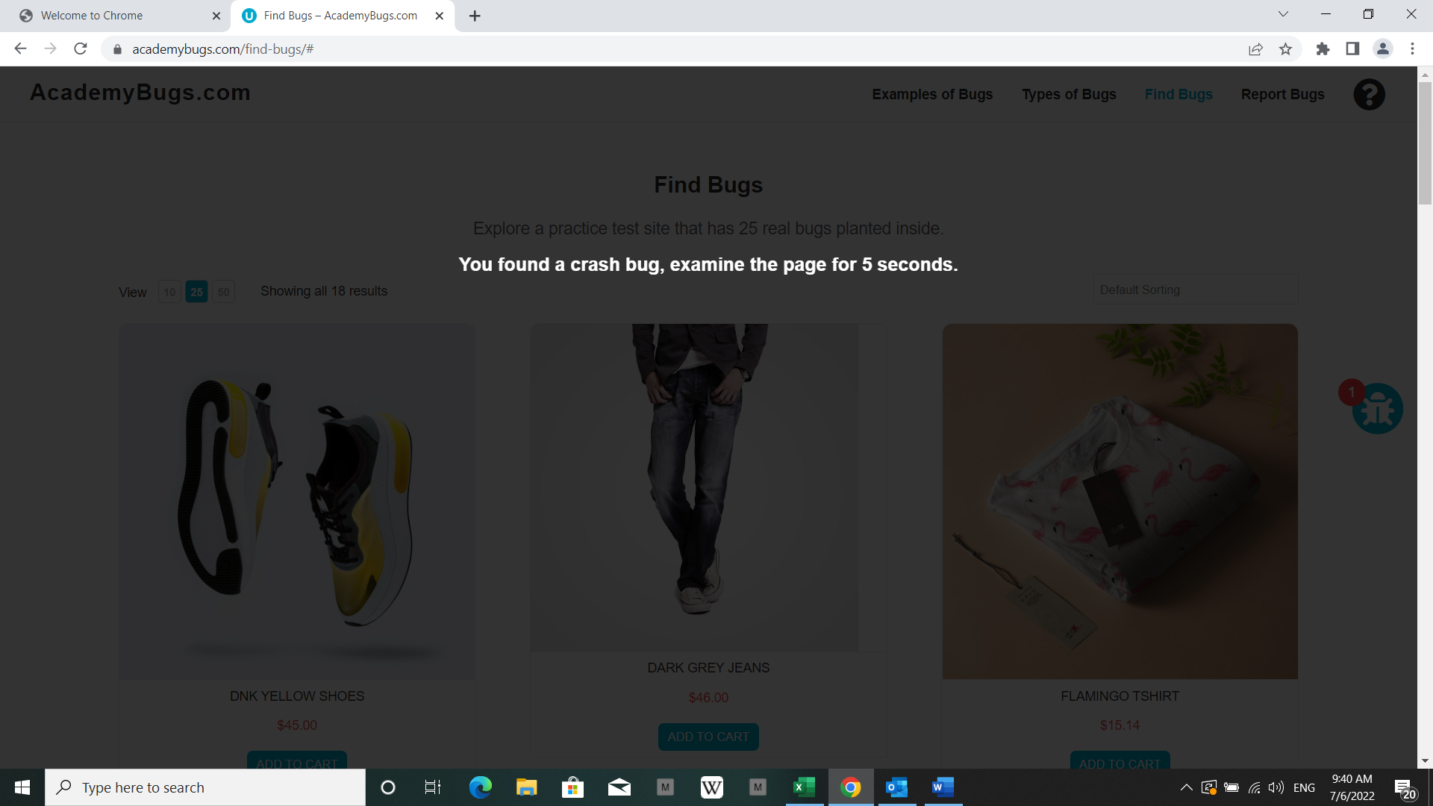
2 | see the product "dark gray jeans" | Low | be on the view page of products | N/A | click on the product "dark gray jeans" | The product image fills the box entirely | The image has a white space on the right | Visual | Web, Tested on Chrome | 2 | 2022-07-06 | 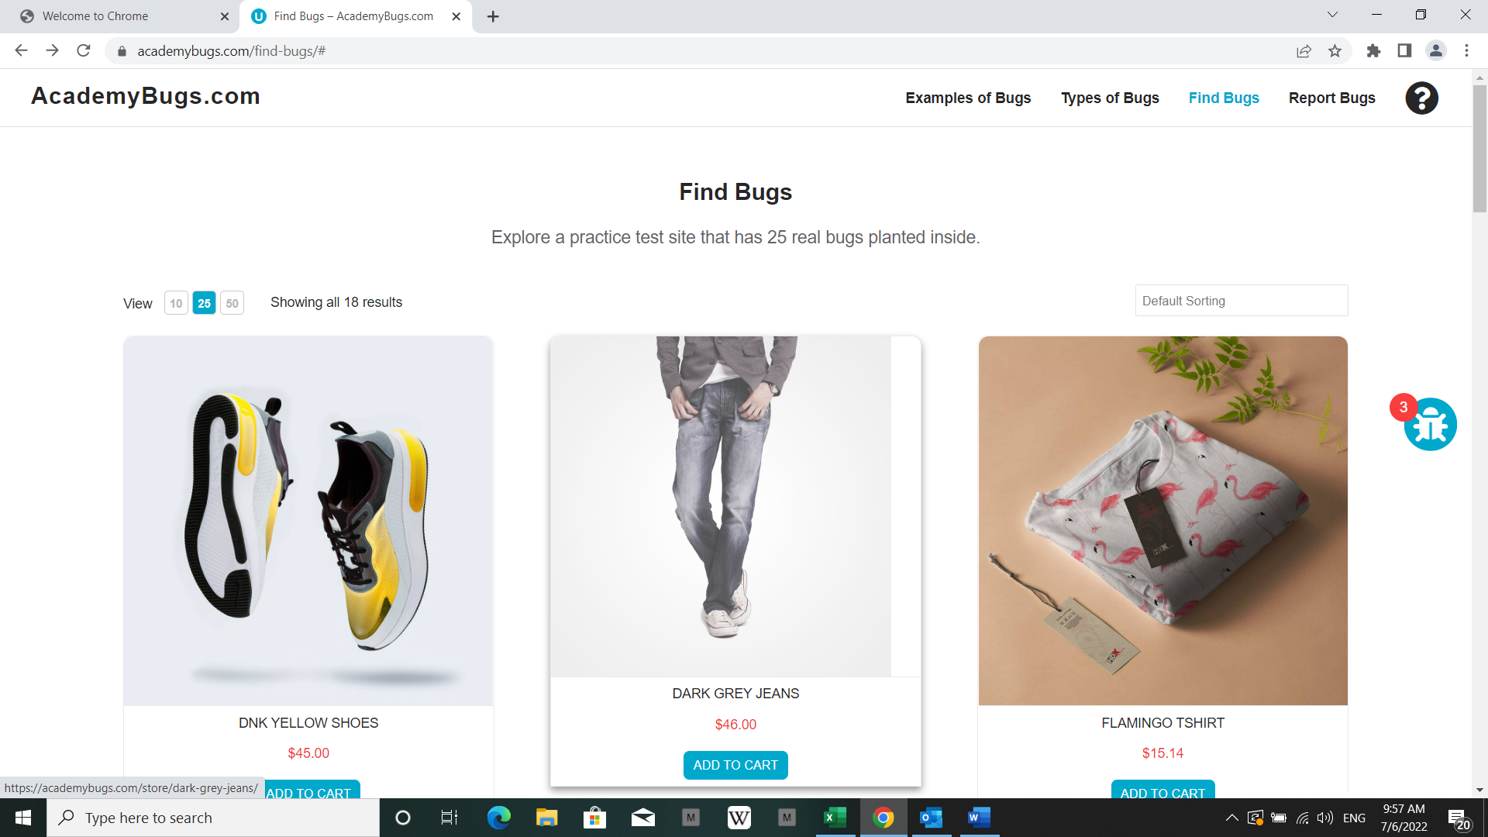
3 | see the details of the product "dark gray jeans" | Medium | be on the view page of products | N/A | click on the product "dark gray jeans" click on the side text of the image | The short description and description of the product are in English | The short description and description of the product are not in English but in latin | Content | Web, Tested on Chrome | 3 | 2022-07-06 | 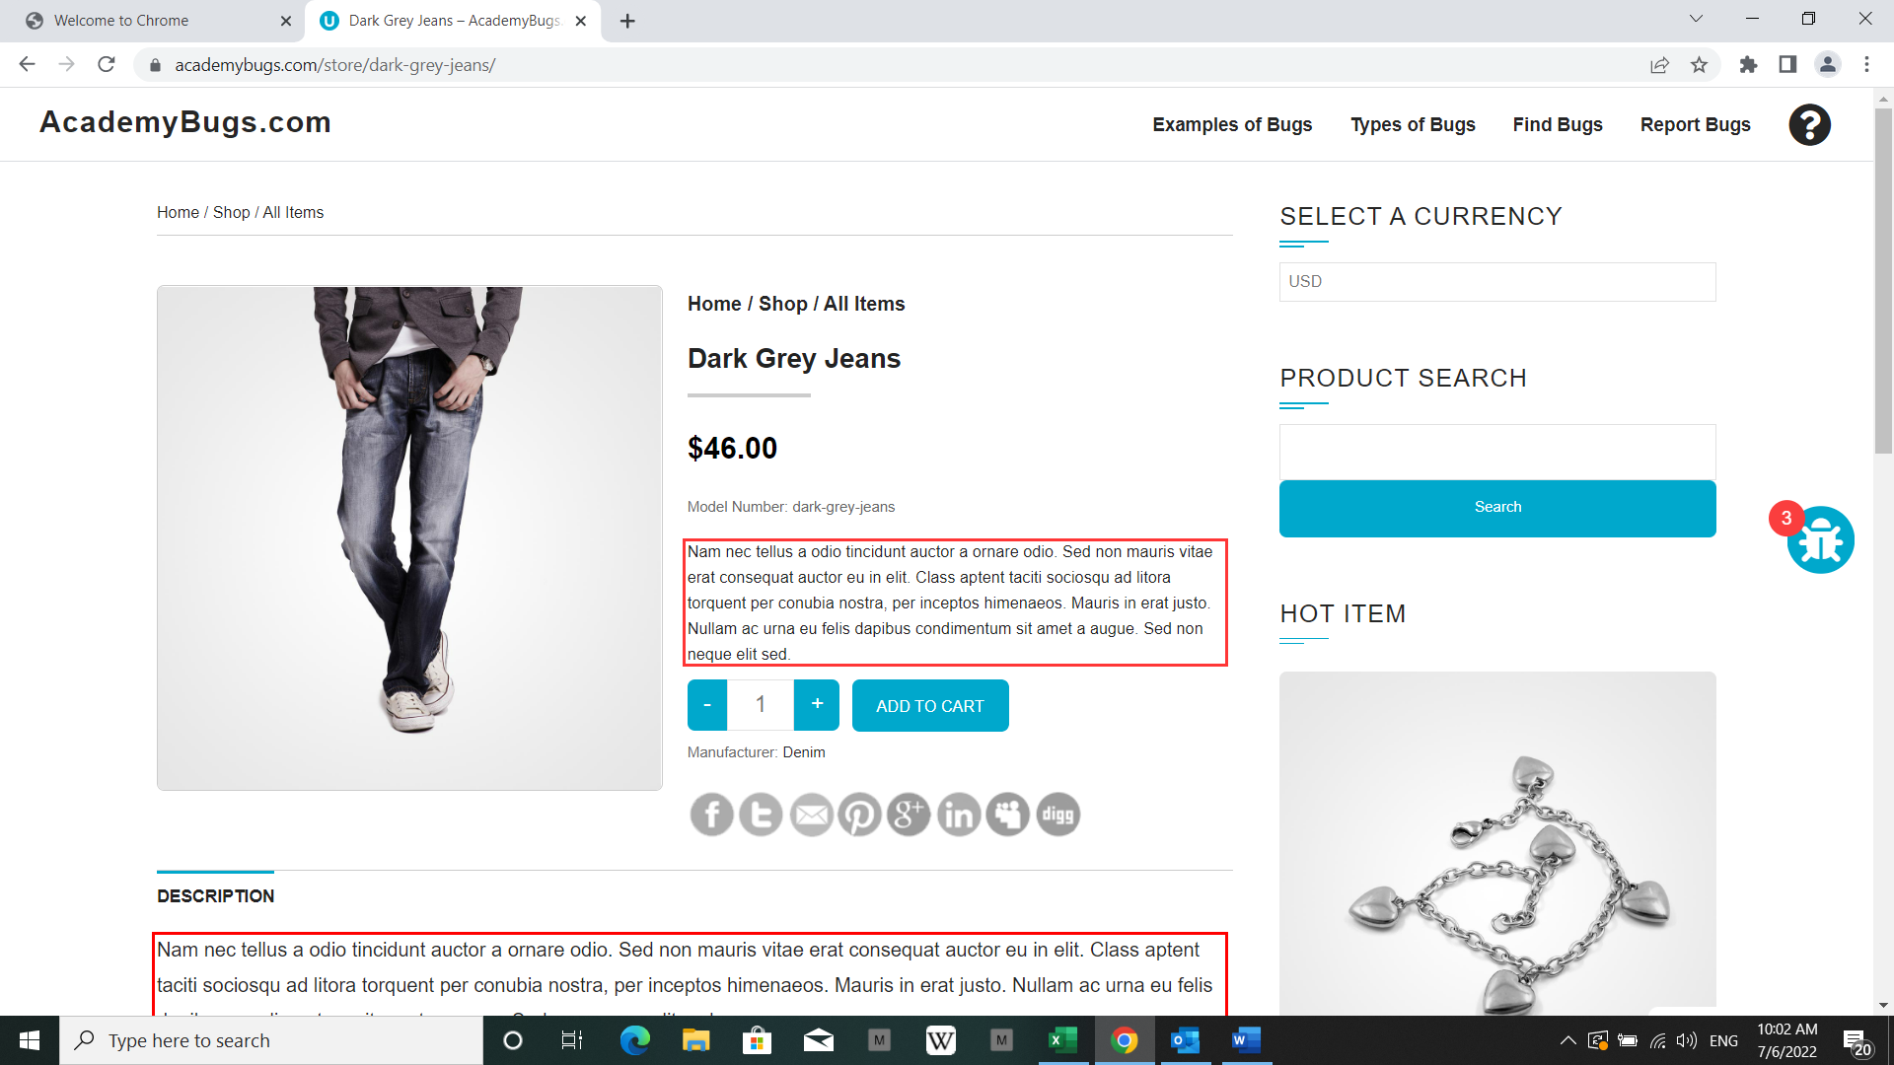
4 | change the currency of the showed price of a product | High | be on the view page of products | N/A | click on the product "dark gray jeans" click on the right side menu select a different currency from the list | The currency is changed as expected | The page freezes when changing the currency | Crash | Web, Tested on Chrome | 4 | 2022-07-06 | 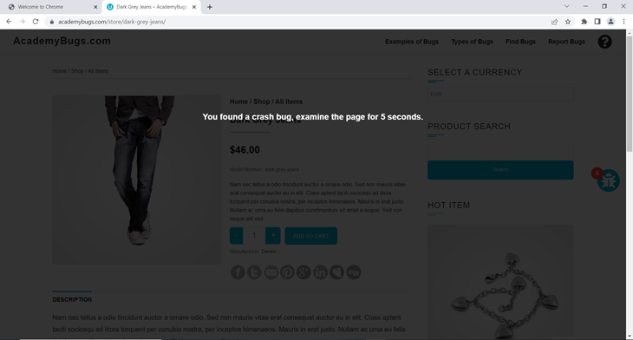
5 | share a product on Twitter | Medium | be on the view page of products | N/A | click on the product "dark gray jeans" click the twitter share button | open the twitter page | shows an error page | Functional | Web, Tested on Chrome | 5 | 2022-07-06 | 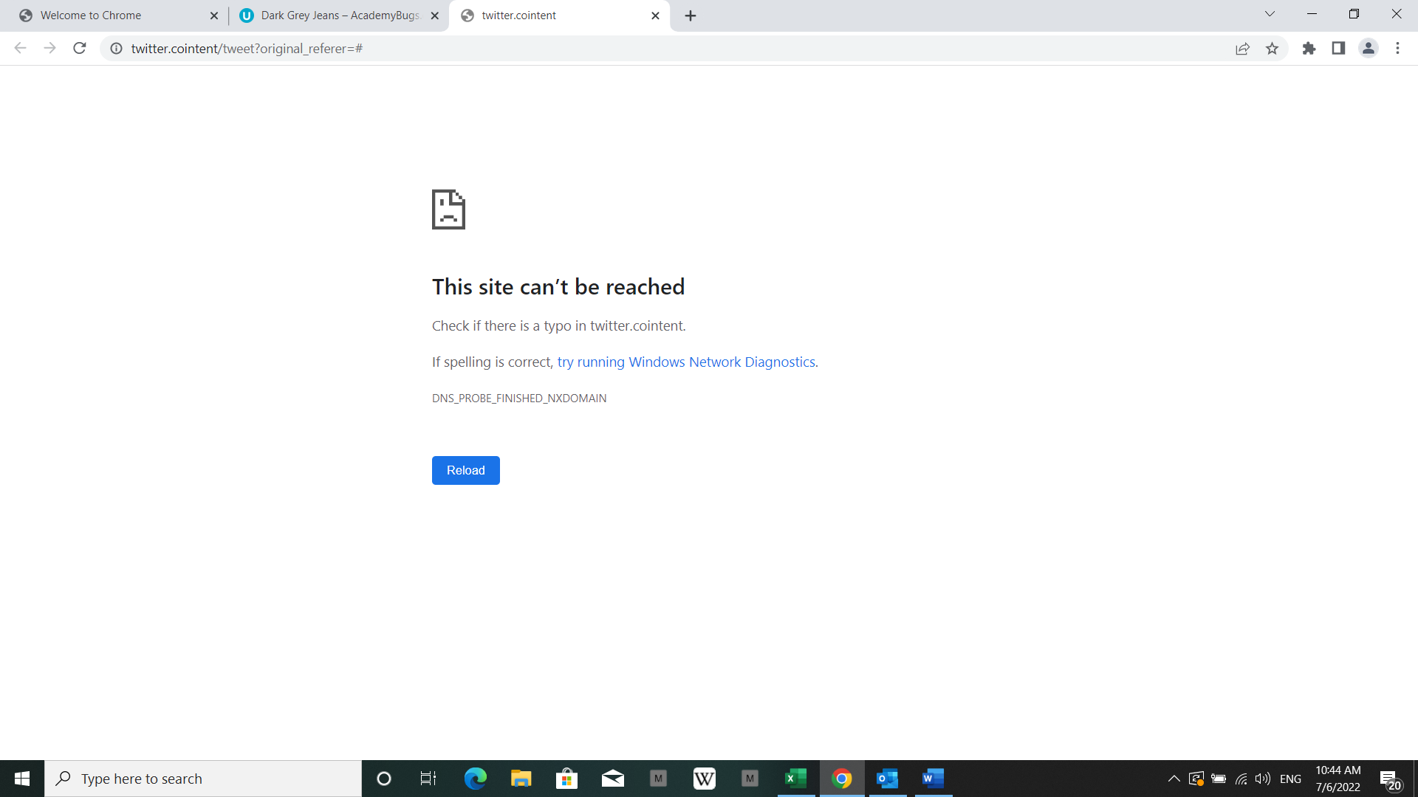
6 | leave a comment on a product | High | be on the view page of products | etc… running up that hill | click on the product "dark gray jeans" scroll down to the reply section Fill out the required fields Click on the "Post Comment" button | The comment is posted under the product | The page becomes unresponsive | Crash | Web, Tested on Chrome | 6 | 2022-07-06 | 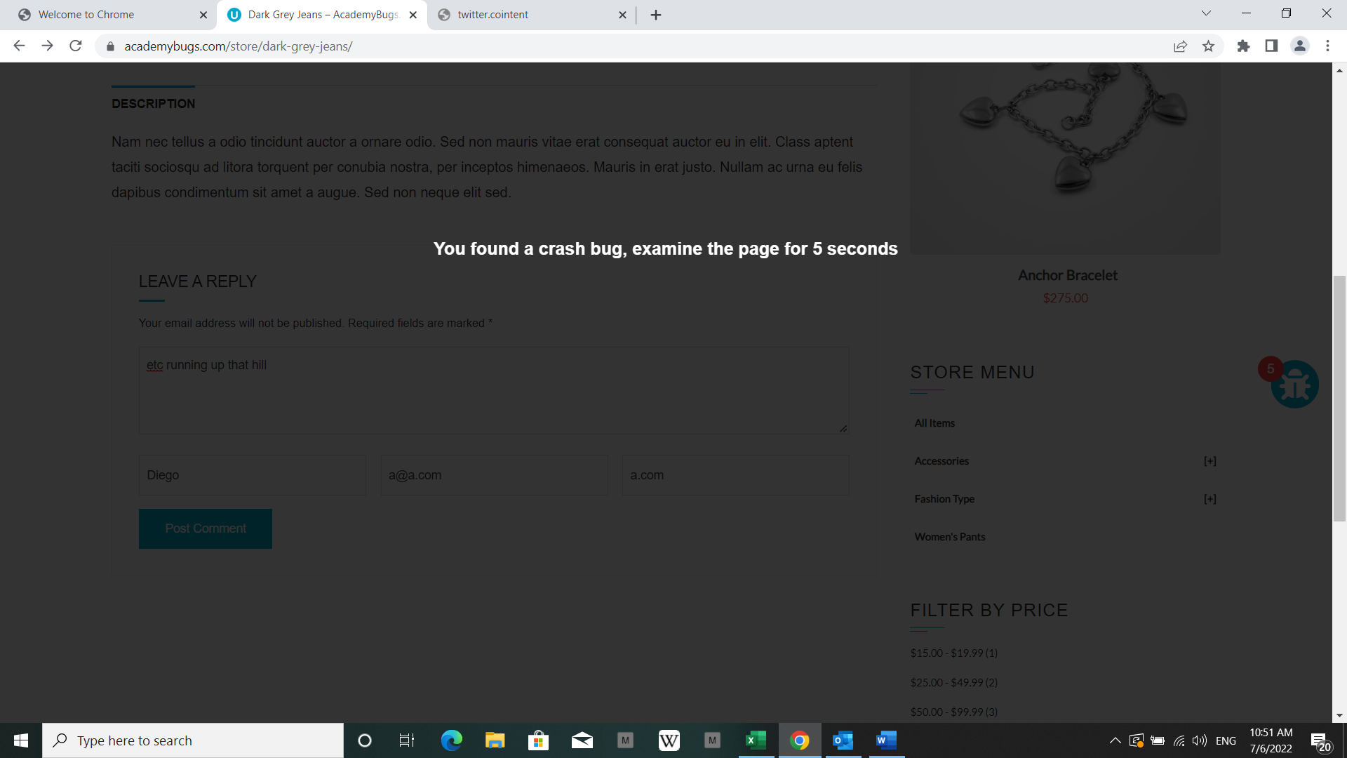
7 | see authentication page | Low | be on the view page of products | N/A | Scroll down to the product "Dark blue denim jeans" Click on the "Login for pricing" button below the image product Click on the text below the "New user" title section | The text under the New User section is in English | The text under the New User section is in Russian | Content | Web, Tested on Chrome | 7 | 2022-07-06 | 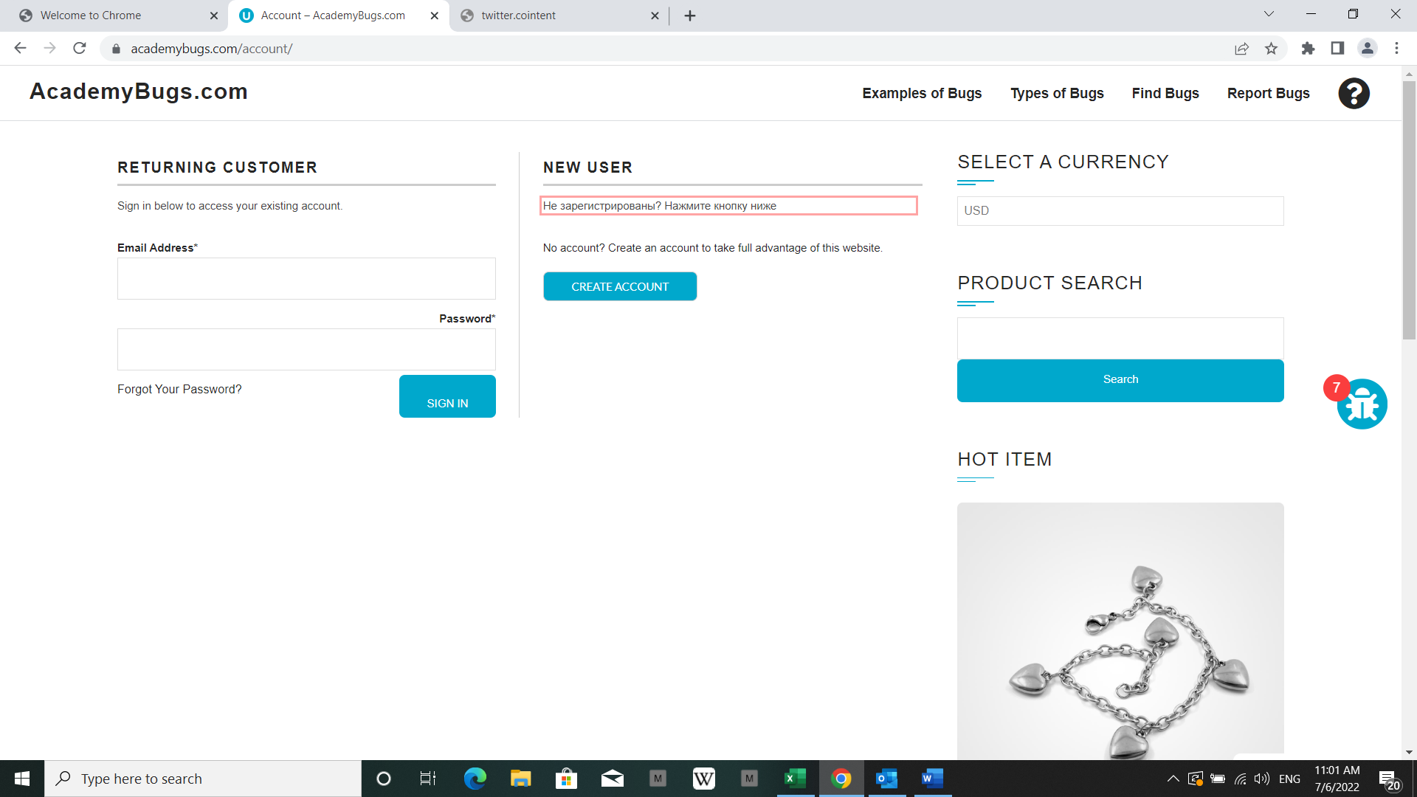
8 | see billing adresss on profile info | Medium | Have a valid account and be logged into the web application be on the view page of products | N/A | Scroll down to the product "Dark blue denim jeans" Click on the "Login for pricing" button below the image product Click on the loading symbol below the "Billing adress" title | The Billing Address section shows appropriate info | The Billing Address section loads infinitely | Performance | Web, Tested on Chrome | 8 | 2022-07-06 | 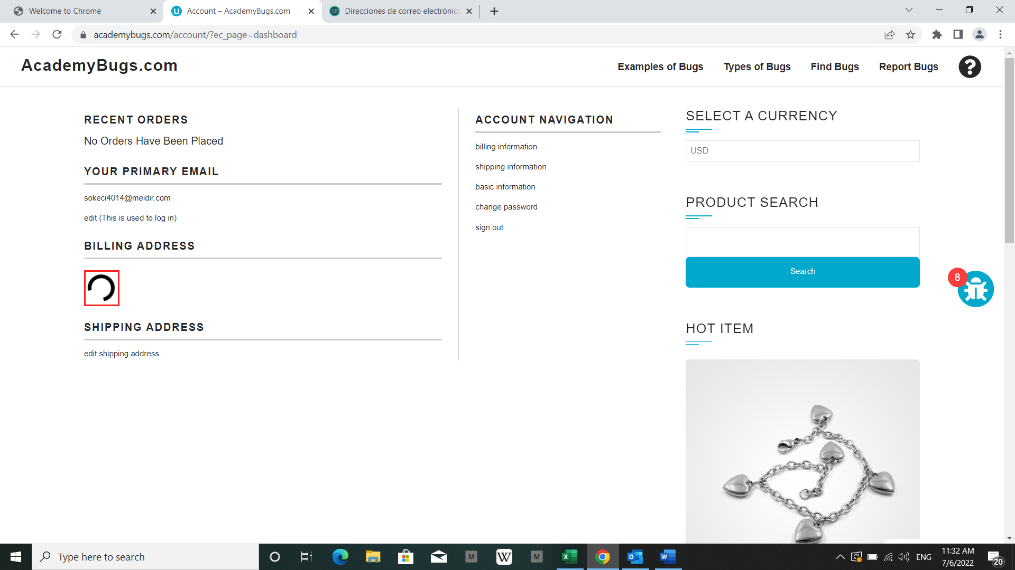
9 | see details of the "hot item" | High | be on the view page of products | N/A | Click on "Flamingo T-Shirt" item Click on the product in the Hot Item section of the right side menu Click on the loading symbol | The product in the Hot Item section is displayed | The page loads infinitely | Performance | Web, Tested on Chrome | 9 | 2022-07-06 | 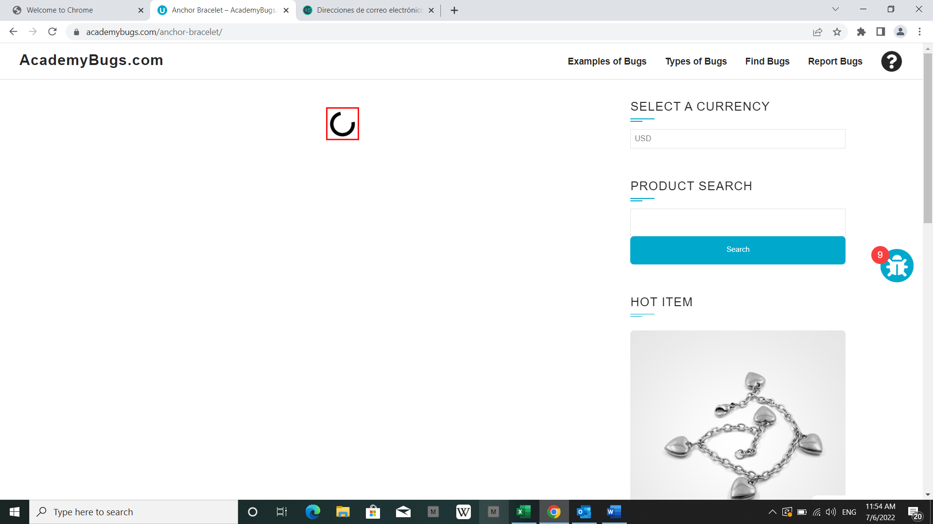
10 |  |  | see order history | N/A | Click on "DNK Yellow Shoes" Scroll down to the bottom of the page Click on "Order History" on the "Your Account section" at the left Click on the loading symbol | The Order History is shown | The page loads infinitely | Performance | Web, Tested on Chrome | 10 | 2022-07-06 | 